Project Inputs
NOTE: Green boxes indicate user inputs.
NOTE: Blue boxes indicate calculated outputs.
Project Information |  |  | Utility Information
Project Name | Riverview Towers |  | Electricity Base Rate ($/kWh) | $0.21
Project Address | 626 Riverside Drive, |  | Fuel Oil Base Rate ($/gallon) | $3.37
Project City, State, Zip | NY, NY 10031 |  | Natural Gas Base Rate ($/therm) | $1.18
Note: White boxes should be blank.
BBL | 1020870078 |  | Water Base Rate ($/gallon) | $0.01
Total Floor Area (sq ft) | 400,800 |  | Electricity Expenses (avg $/year) | $599,000
Total Unit Number | 368 |  | Fuel Oil Expenses (avg $/year) | $800,000
Discount Rate | 5% |  | Natural Gas Expenses (avg $/year) | $29,800
 |  |  | Water Expenses (avg $/year) | $347,000
 |  |  | Utility Expense (avg $/year) | $1,775,800

Energy Conservation Measures Implementation Costs
Energy Conservation Measures | Expected Useful Life | Initial Cost | Labor Costs | Other Costs | Incentives or Rebates | Net Costs | Annual O&M Costs for Additional Equipment
Baseline Energy Usage | 15

Orifice plates and TRVs | 15 | $416,400 |  |  |  | $416,400
Low-flow plumbing fixtures | 15 | $24,000 |  |  |  | $24,000
Sub-metering | 15 | $217,100 |  |  |  | $217,100
Cogeneration | 20 | $450,000 |  |  |  | $450,000 | $15,600
Common area lighting upgrade | 15 | $59,500 |  |  |  | $59,500
Apartment lighting upgrade | 15 | $61,800 |  |  |  | $61,800
Garage fan demand controlled ventilation | 15 | $12,000 |  |  |  | $12,000
Replace clothes washers w/ energy star | 15
Apartment refrigerator standards | 15 | $218,600 |  |  |  | $218,600
Photovoltaics | 20 | $175,000 |  |  |  | $175,000
Convert to natural gas heating & DHW | 15 | $330,000 |  |  |  | $330,000

Energy Conservation Measures Utility Savings
Energy Conservation Measures | Electricity (Kwh) | Fuel Oil (gallons) | Natural Gas (therms) | Water (gallons) | Site Energy (mmBTU) | Source Energy (mmBTU)
Baseline Energy Usage | 2,853,310 | 237,390 | 25,254 | 26,692,308 | 45,476 | 66,769

Orifice plates and TRVs |  | 28,260
Low-flow plumbing fixtures |  | 12,000 |  | 2,100,000
Sub-metering | 410,340
Cogeneration | 780,000 | 45,610 | -101,400
Common area lighting upgrade | 216,600
Apartment lighting upgrade | 46,950
Garage fan demand controlled ventilation | 7,520
Replace clothes washers w/ energy star | 1,280
Apartment refrigerator standards | 80,960
Photovoltaics | 42,400
Convert to natural gas heating & DHW |  | 94,829

Energy Savings
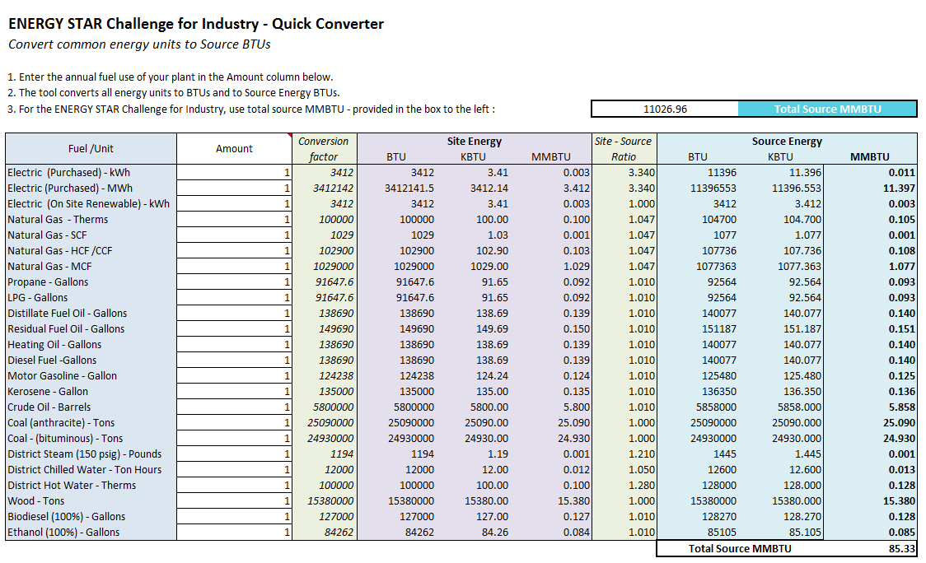
Riverview Towers
626 Riverside Drive, | NY, NY 10031
Energy Conservation Measures | Electricity Savings (Kwh) | % Electricity Savings from Baseline | Fuel Oil Savings (gallons) | % Fuel Oil Savings from Baseline | Natural Gas Savings (therms) | % Natural Gas Savings from Baseline | Site Energy Savings (mmBTU) | % Site Energy Savings from Baseline | Source Energy Savings* (mmBTU) | % Source Energy Savings from Baseline

Baseline Energy Usage | 2,853,310 |  | 237,390 |  | 25,254 |  | 45,476 |  | 66,769

Orifice plates and TRVs | - | 0% | 28,260 | 12% | - | 0% | 4239 | 9% | 4267 | 6%
Low-flow plumbing fixtures | - | 0% | 12,000 | 5% | - | 0% | 1800 | 4% | 1812 | 3%
Sub-metering | 410,340 | 14% | - | 0% | - | 0% | 1231 | 3% | 4514 | 7%
Cogeneration | 780,000 | 27% | 45,610 | 19% | -101,400 | -402% | -959 | -2% | 4820 | 7%
Common area lighting upgrade | 216,600 | 8% | - | 0% | - | 0% | 650 | 1% | 2383 | 4%
Apartment lighting upgrade | 46,950 | 2% | - | 0% | - | 0% | 141 | 0% | 516 | 1%
Garage fan demand controlled ventilation | 7,520 | 0% | - | 0% | - | 0% | 23 | 0% | 83 | 0%
Replace clothes washers w/ energy star | 1,280 | 0% | - | 0% | - | 0% | 4 | 0% | 14 | 0%
Apartment refrigerator standards | 80,960 | 3% | - |  | - | 0% | 243 | 1% | 891 | 1%
Photovoltaics | 42,400 | 1% | - |  | - | 0% | 127 | 0% | 466 | 1%

Total Energy Savings | 1,586,050 | 56% | 85,870 | 36% | -101,400 | -402% | 7,499 | 16% | 19,766 | 30%

*Conversion rates come from ENERGY STAR Quick Converter

Payback Graphic
Simple Payback Period
 | Better Measures | Good Measures
0 | ($1,634,400) | ($1,459,400)
1 | ($1,119,900) | ($953,500)
2 | ($605,400) | ($447,600)
3 | ($90,900) | $58,300
4 | $423,600 | $564,200
5 | $938,100 | $1,070,100
6 | $1,452,600 | $1,576,000
7 | $1,967,100 | $2,081,900
8 | $2,481,600 | $2,587,800
9 | $2,996,100 | $3,093,700
10 | $3,510,600 | $3,599,600
11 | $4,025,100 | $4,105,500
12 | $4,539,600 | $4,611,400
13 | $5,054,100 | $5,117,300
14 | $5,568,600 | $5,623,200
15 | $6,083,100 | $6,129,100
16

