Project Inputs
NOTE: Green boxes indicate user inputs.
NOTE: Blue boxes indicate calculated outputs.
Project Information |  |  | Utility Information
Project Name | Regina Pacis |  | Electricity Base Rate ($/kWh) | $0.19
Project Address | 2424 Cropsey Ave. |  | Fuel Oil Base Rate ($/gallon)
Project City, State, Zip | Brooklyn, NY 11214 |  | Natural Gas Base Rate ($/therm) | $1.04
Note: White boxes should be blank.
BBL | 3069270060 |  | Water Base Rate ($/gallon) | $0.01
Total Floor Area (sq ft) | 132,209 |  | Electricity Expenses (avg $/year) | $132,900
Total Unit Number | 166 |  | Fuel Oil Expenses (avg $/year)
Discount Rate | 5% |  | Natural Gas Expenses (avg $/year) | $115,800
 |  |  | Water Expenses (avg $/year) | $112,000
 |  |  | Utility Expense (avg $/year) | $360,700

Energy Conservation Measures Implementation Costs
Energy Conservation Measures | Expected Useful Life | Initial Cost | Labor Costs | Other Costs | Incentives or Rebates | Net Costs | Annual O&M Costs for Additional Equipment
Baseline Energy Usage | 15

Orifice plates and TRVs | 15 | $219,100 |  |  |  | $219,100 | -100
Low-flow plumbing fixtures | 15 | $8,800 |  |  |  | $8,800
Linkageless burner retrofit | 15 | $71,400 |  |  |  | $71,400
Common area lighting upgrade | 15 | $43,900 |  |  |  | $43,900
Apartment lighting upgrade | 15 | $80,800 |  |  |  | $80,800
Common room heating upgrade | 15 | $1,500 |  |  |  | $1,500
Sub-metering | 15 | $98,800 |  |  |  | $98,800
Photovoltaics* | 20 | $200,000 |  |  | $166,000 | $34,000

Energy Conservation Measures Utility Savings
Energy Conservation Measures | Electricity (Kwh) | Fuel Oil (gallons) | Natural Gas (therms) | Water (gallons) | Site Energy (mmBTU) | Source Energy (mmBTU)
Baseline Energy Usage | 690,535 |  | 111,346 | 9,334,917 | 13,554 | 19,156

Orifice plates and TRVs |  |  | 12,387
Low-flow plumbing fixtures |  |  | 5,410 | 724,000
Linkageless burner retrofit |  |  | 8,277
Common area lighting upgrade | 46,890
Apartment lighting upgrade | 41,090
Common room heating upgrade | 1,200
Sub-metering | 100,210
Photovoltaics* | 43,070

Energy Savings
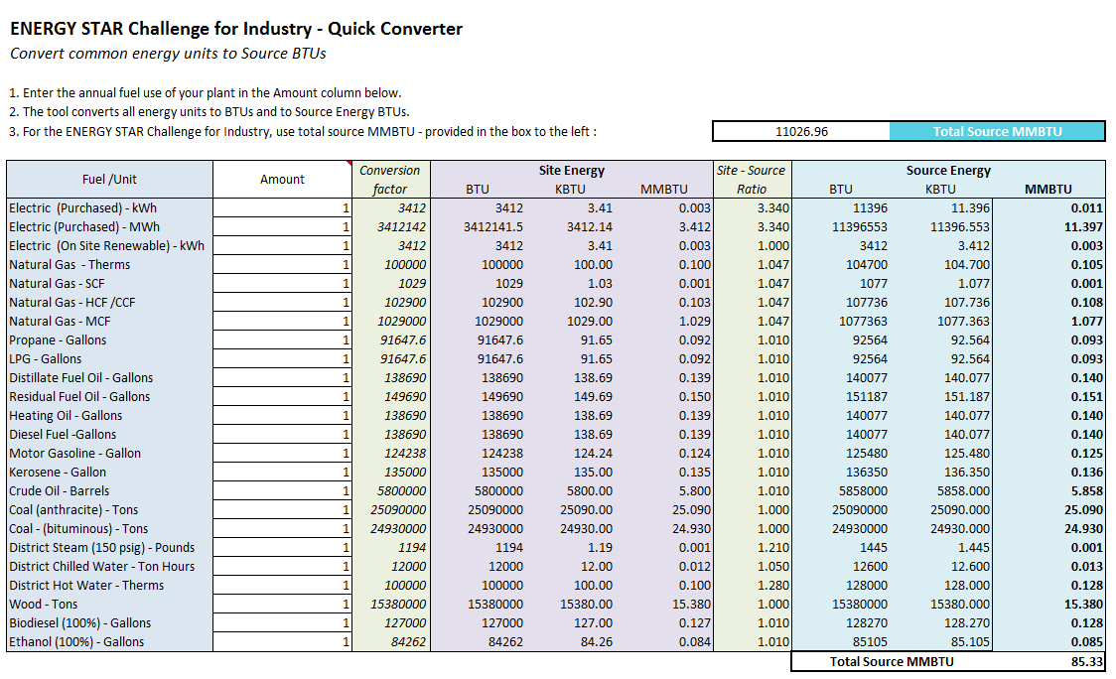
Regina Pacis
2424 Cropsey Ave. | Brooklyn, NY 11214
Energy Conservation Measures | Electricity Savings (Kwh) | % Electricity Savings from Baseline | Fuel Oil Savings (gallons) | % Fuel Oil Savings from Baseline | Natural Gas Savings (therms) | % Natural Gas Savings from Baseline | Site Energy Savings (mmBTU) | % Site Energy Savings from Baseline | Source Energy Savings* (mmBTU) | % Source Energy Savings from Baseline

Baseline Energy Usage | 690,535 |  | - |  | 111,346 |  | 13,554 |  | 19,156

Orifice plates and TRVs | - | 0% | - |  | 12,387 | 11% | 1239 | 9% | 1301 | 7%
Low-flow plumbing fixtures | - | 0% | - |  | 5,410 | 5% | 541 | 4% | 568 | 3%
Linkageless burner retrofit | - | 0% | - |  | 8,277 | 7% | 828 | 6% | 869 | 5%
Common area lighting upgrade | 46,890 | 7% | - |  | - | 0% | 141 | 1% | 516 | 3%
Apartment lighting upgrade | 41,090 | 6% | - |  | - | 0% | 123 | 1% | 452 | 2%
Common room heating upgrade | 1,200 | 0% | - |  | - | 0% | 4 | 0% | 13 | 0%
Sub-metering | 100,210 | 15% | - |  | - | 0% | 301 | 2% | 1102 | 6%
Photovoltaics* | 43,070 | 6% | - |  | - | 0% | 129 | 1% | 474 | 2%

Total Energy Savings | 232,460 | 34% | 0% | 0% | 26,074 | 23% | 3,305 | 24% | 5,295 | 28%

*Conversion rates come from ENERGY STAR Quick Converter

Payback Graphic
Simple Payback Period
 | Better Measures | Good Measures
0 | ($558,300) | ($425,500)
1 | ($477,700) | ($372,500)
2 | ($397,100) | ($319,500)
3 | ($316,500) | ($266,500)
4 | ($235,900) | ($213,500)
5 | ($155,300) | ($160,500)
6 | ($74,700) | ($107,500)
7 | $5,900 | ($54,500)
8 | $86,500 | ($1,500)
9 | $167,100 | $51,500
10 | $247,700 | $104,500
11 | $328,300 | $157,500
12 | $408,900 | $210,500
13 | $489,500 | $263,500
14 | $570,100 | $316,500
15 | $650,700 | $369,500
16

