Project Inputs
NOTE: Green boxes indicate user inputs.
NOTE: Blue boxes indicate calculated outputs.
Project Information |  |  | Utility Information
Project Name | Tower Gardens |  | Electricity Base Rate ($/kWh) | $0.20
Project Address | 626 Riverside Dr. |  | Fuel Oil Base Rate ($/gallon) | $3.38
Project City, State, Zip | NY, NY 10031 |  | Natural Gas Base Rate ($/therm) | $1.33
Note: White boxes should be blank.
BBL | 1020870078 |  | Water Base Rate ($/gallon) | $0.01
Total Floor Area (sq ft) | 242,700 |  | Electricity Expenses (avg $/year) | $305,700
Total Unit Number | 209 |  | Fuel Oil Expenses (avg $/year) | $492,100
Discount Rate | 5% |  | Natural Gas Expenses (avg $/year) | $14,900
 |  |  | Water Expenses (avg $/year) | $114,700
 |  |  | Utility Expense (avg $/year) | $927,400

Energy Conservation Measures Implementation Costs
Energy Conservation Measures | Expected Useful Life | Initial Cost | Labor Costs | Other Costs | Incentives or Rebates | Net Costs | Annual O&M Costs for Additional Equipment
Baseline Energy Usage | 15

Orifice plates and TRVs | 15 | $315,300 |  |  |  | $315,300
Close elevator smoke vents (glass) | 15 | $3,000 |  |  |  | $3,000
Sub-metering | 15 | $123,300 |  |  |  | $123,300
Cogeneration | 20 | $350,000 |  |  |  | $350,000 | $1,200
Common area lighting upgrade | 15 | $81,700 |  |  |  | $81,700
Apartment lighting upgrade | 15 | $15,700 |  |  |  | $15,700
Window upgrade | 30 | $10,800 |  |  |  | $10,800
Apartment refrigerator standards | 15 | $137,900 |  |  |  | $137,900

Energy Conservation Measures Utility Savings
Energy Conservation Measures | Electricity (Kwh) | Fuel Oil (gallons) | Natural Gas (therms) | Water (gallons) | Site Energy (mmBTU) | Source Energy (mmBTU)
Baseline Energy Usage | 1,520,090 | 145,580 | 11200 |  | 28,170 | 39,544

Orifice plates and TRVs |  | 15,080
Close elevator smoke vents (glass) |  | 250
Sub-metering | 231,210
Cogeneration | 379,660 | 18,280 | -49,356
Common area lighting upgrade | 81,980
Apartment lighting upgrade | 44,260
Window upgrade |  | 260
Apartment refrigerator standards | 37,620

Energy Savings
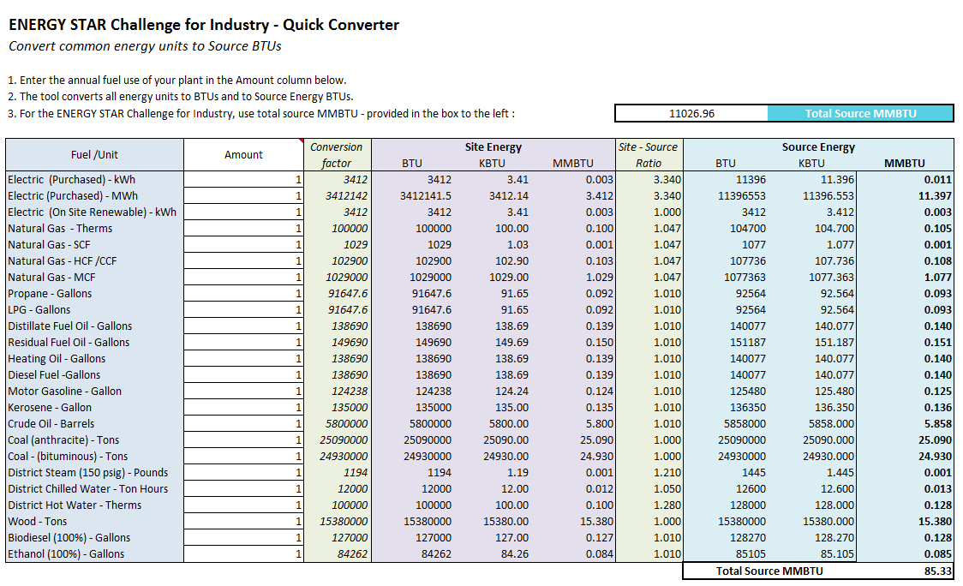
Tower Gardens
626 Riverside Dr. | NY, NY 10031
Energy Conservation Measures | Electricity Savings (Kwh) | % Electricity Savings from Baseline | Fuel Oil Savings (gallons) | % Fuel Oil Savings from Baseline | Natural Gas Savings (therms) | % Natural Gas Savings from Baseline | Site Energy Savings (mmBTU) | % Site Energy Savings from Baseline | Source Energy Savings* (mmBTU) | % Source Energy Savings from Baseline

Baseline Energy Usage | 1,520,090 |  | 145,580 |  | 11,200 |  | 28,170 |  | 39,544

Orifice plates and TRVs | - | 0% | 15,080 | 10% | - | 0% | 2262 | 8% | 2277 | 6%
Close elevator smoke vents (glass) | - | 0% | 250 | 0% | - | 0% | 38 | 0% | 38 | 0%
Sub-metering | 231,210 | 15% | - | 0% | - | 0% | 694 | 2% | 2543 | 6%
Cogeneration | 379,660 | 25% | 18,280 | 13% | -49,356 | -441% | -1055 | -4% | 1754 | 4%
Common area lighting upgrade | 81,980 | 5% | - | 0% | - | 0% | 246 | 1% | 902 | 2%
Apartment lighting upgrade | 44,260 | 3% | - | 0% | - | 0% | 133 | 0% | 487 | 1%
Window upgrade | - | 0% | 260 | 0% | - | 0% | 39 | 0% | 39 | 0%
Apartment refrigerator standards | 37,620 | 2% | - | 0% | - | 0% | 113 | 0% | 414 | 1%

Total Energy Savings | 774,730 | 51% | 33,870 | 23% | -49,356 | -441% | 2,469 | 9% | 8,454 | 21%

*Conversion rates come from ENERGY STAR Quick Converter

Payback Graphic
Simple Payback Period
 | Better Measures | Good Measures
0 | ($1,037,700) | ($426,500)
1 | ($834,600) | ($348,500)
2 | ($631,500) | ($270,500)
3 | ($428,400) | ($192,500)
4 | ($225,300) | ($114,500)
5 | ($22,200) | ($36,500)
6 | $180,900 | $41,500
7 | $384,000 | $119,500
8 | $587,100 | $197,500
9 | $790,200 | $275,500
10 | $993,300 | $353,500

